Setup
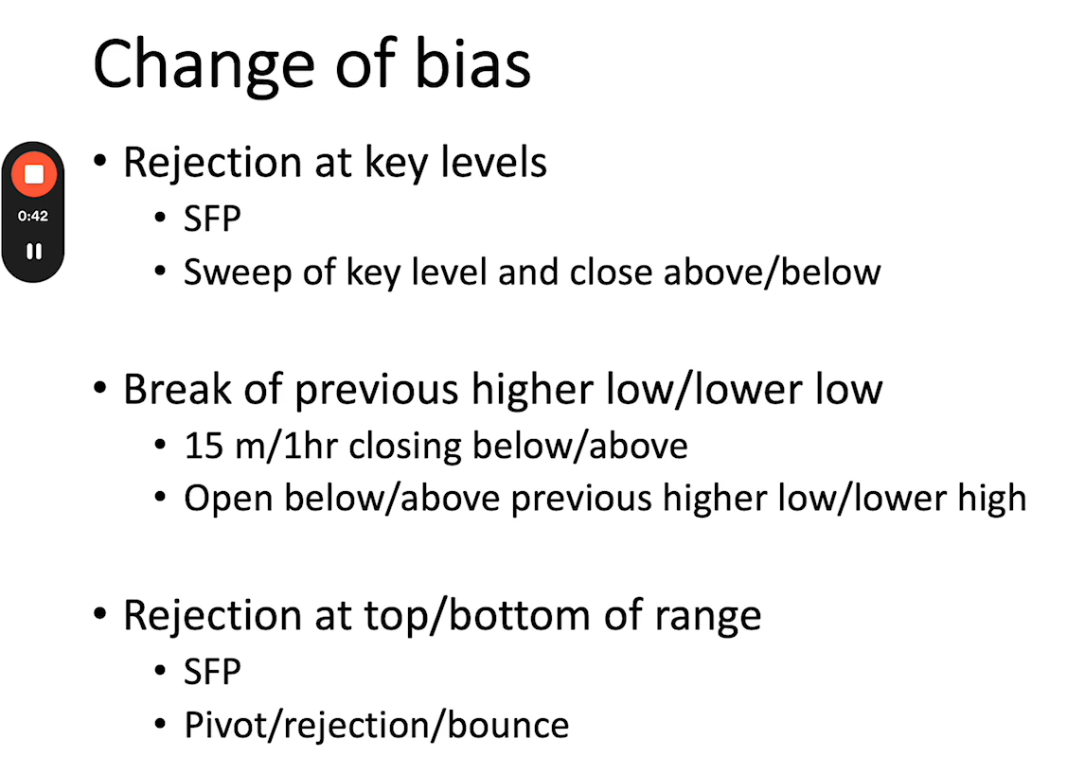
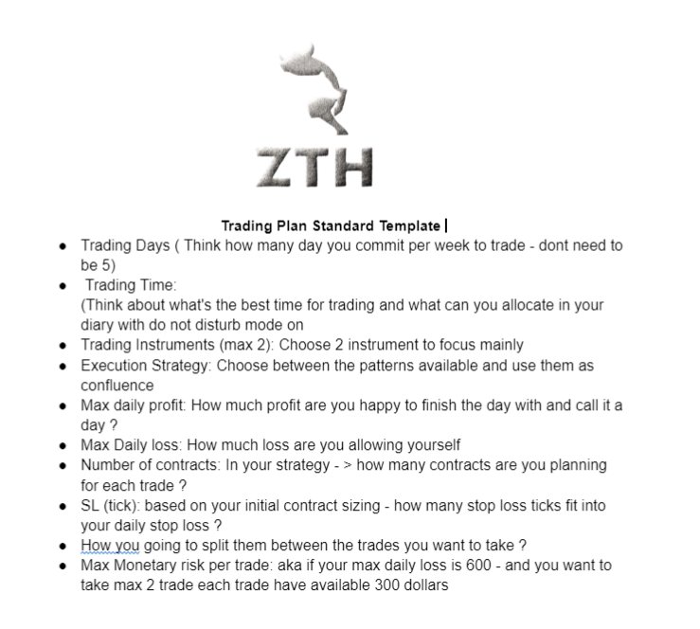
ZTH Trading Setups Cheat Sheet |  |  | Levels
 |  |  | 2026-05-05 | Candles changing color. Draw at second candle open.
Break and Retest |  |  | 2026-04-05 | Session Open. Session Close.
This setup occurs when price breaks out of a defined support or resistance level, then returns to "retest" that level before continuing in the direction of the breakout. |  |  | 2026-03-05 | Previous invalidated 5/5 and 4/5 Level.

Key Indicators | Entry Signal
Strong breakout candle, tap of the level with the next candle. Use when there is a strong trend. | Price retests the broken level and shows rejection (e.g., small wick, reversal candle) | 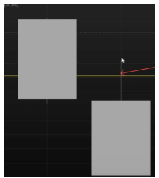
Bounce
The Bounce setup involves price approaching a level and then reversing off it. This indicates the level is holding.

Key Indicators | Entry Signal
Price reaching a well-established level | Reversal candlestick pattern with a wick | 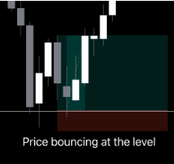
Rejection
This setup is characterized by price attempting to move beyond a key level but being strongly pushed back, often leaving a long wick on the candlestick.

Key Indicators | Entry Signal | Exit Strategy
Wick forming at a significant level - continuation of a downtrend | Confirmation of rejection | 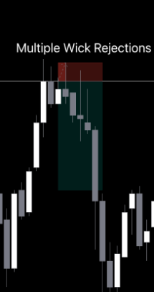
Pivot
The Pivot setup focuses on identifying potential reversal points in the market using pivot points, which are calculated based on the previous day's high, low, and closing prices.

The examples below show you this setup in both uptrending and downtrending examples.

The best pivots are combined with a break and retest

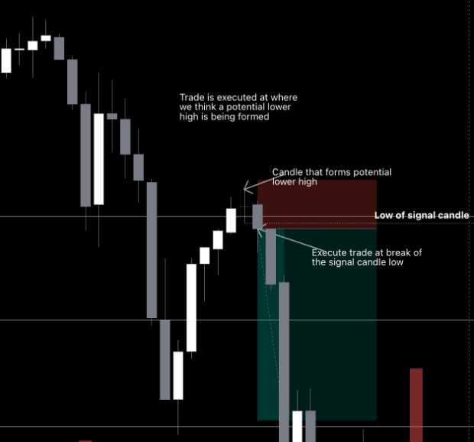
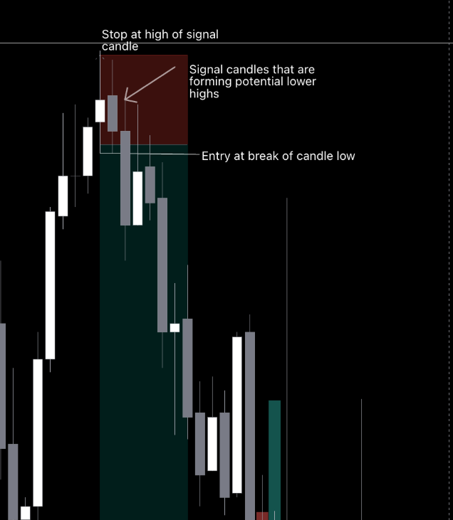
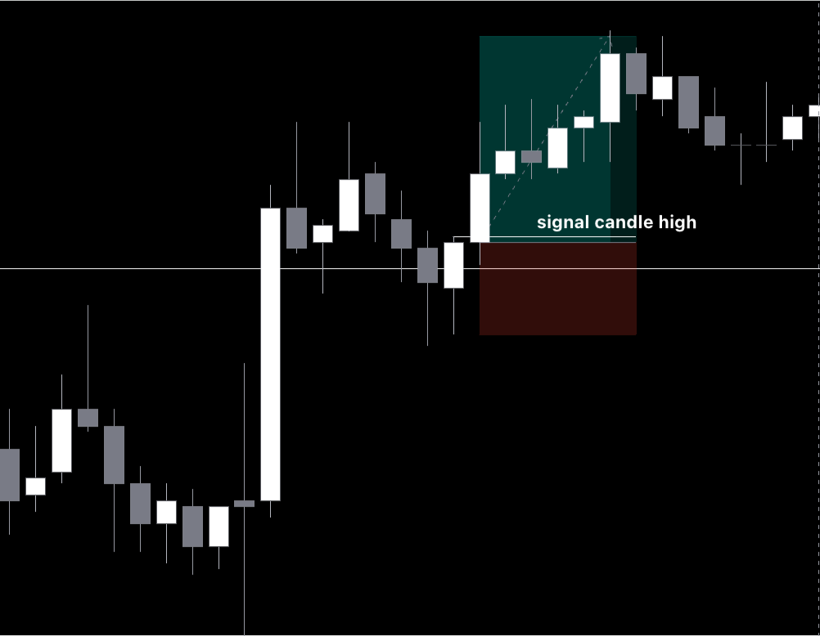
Key Indicators | Entry Signal | Best practice
Price showing a signal candle, and then another candle that breaks that signal candle | Price continuation in the direction of the trend | Taking pivots as close to the level as possible and looking for confirmation on the 15 minute chart and the 5 minute chart to take this setup.
1-2-3

A bullish 1-2-3 setup using candle behavior.

Impulse Candle (Bar 1) – A big bullish candle pushes price strongly upward. This shows strong buying momentum.

Pause Candle (Bar 2) – The next candle is smaller, with less movement. This is a “pause” where price consolidates after the initial push.

Continuation Candle (Bar 3) – Another bullish candle breaks above the pause candle’s high, confirming momentum is resuming upward.

 |  |  | 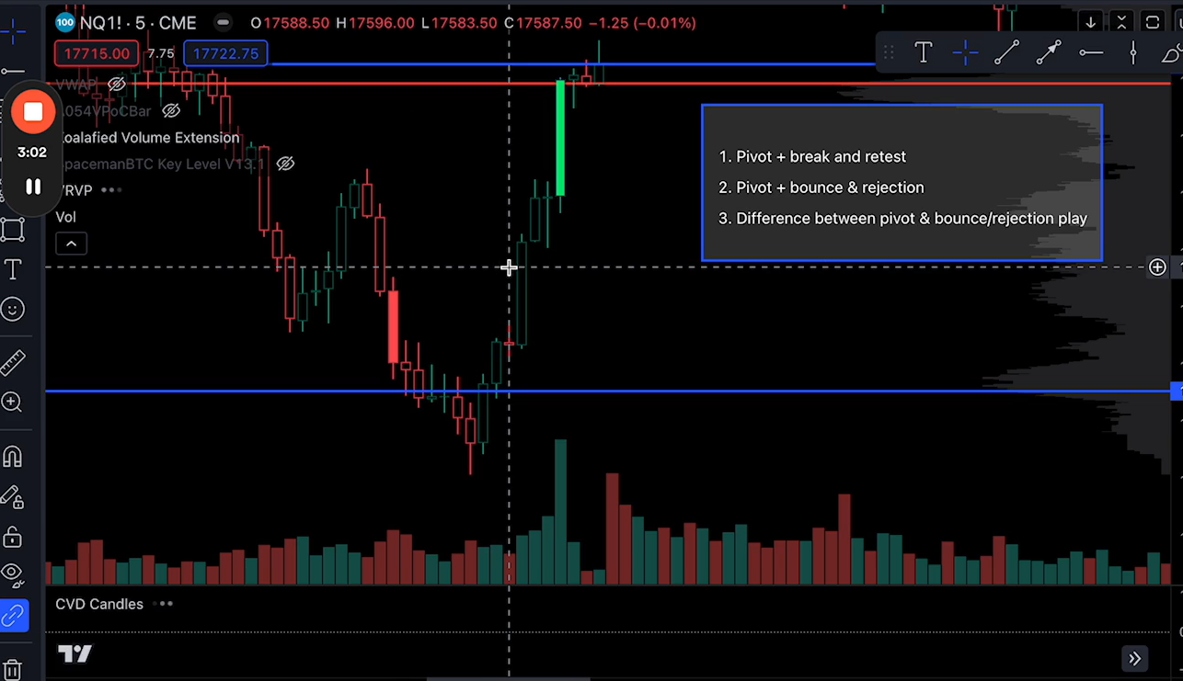 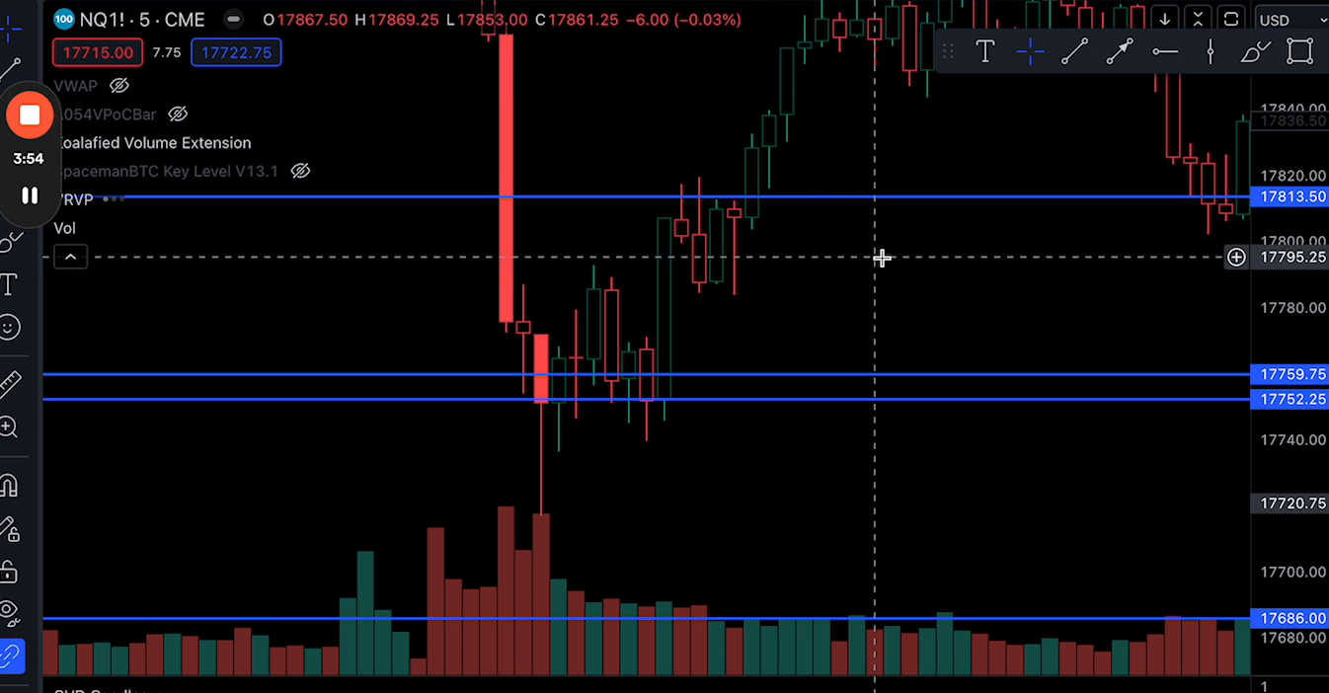 |  | 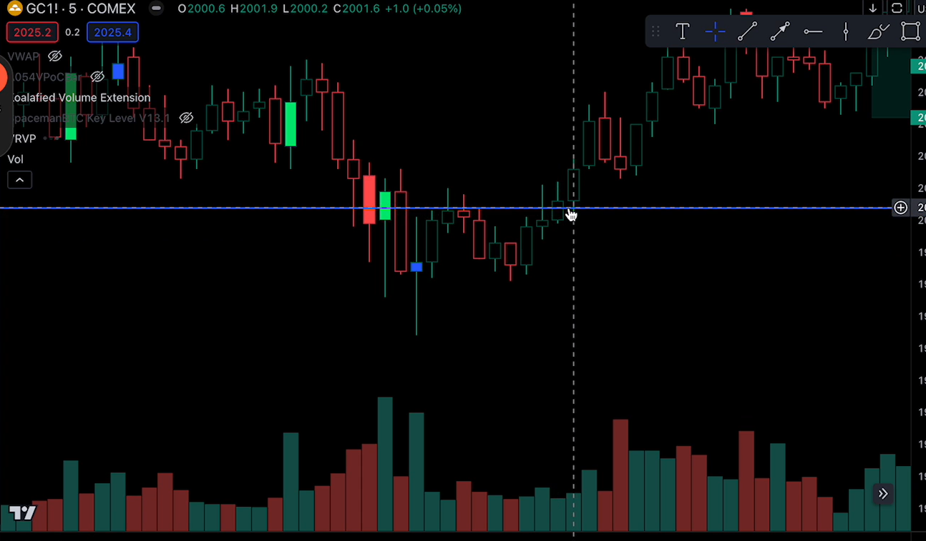 | 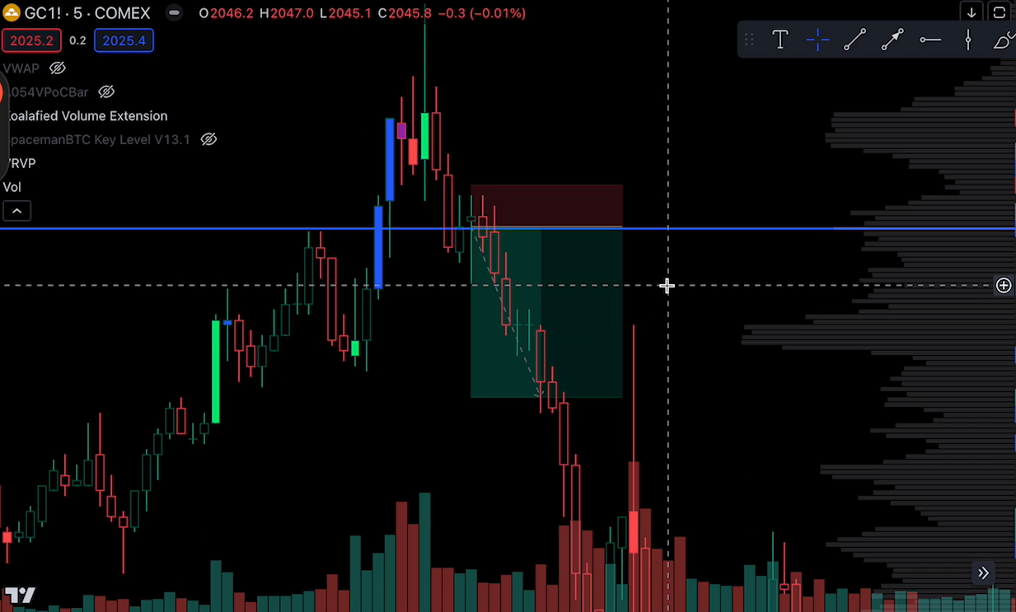
Compression by Arsh vs Long setup by Omar vs Pivot or Reversal | Looking at Market Strength/Weakness to take trades by Arsh | Example 1 by Omar

Swing Failue Pattern(SFP)

Change of Bias

Levels
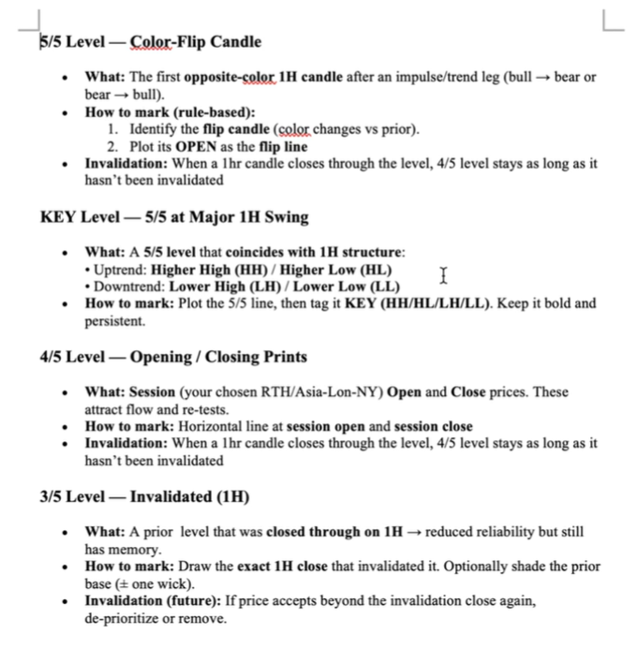
MGC - 2 hour ETH
MES MNQ - previous day - all

Checklist
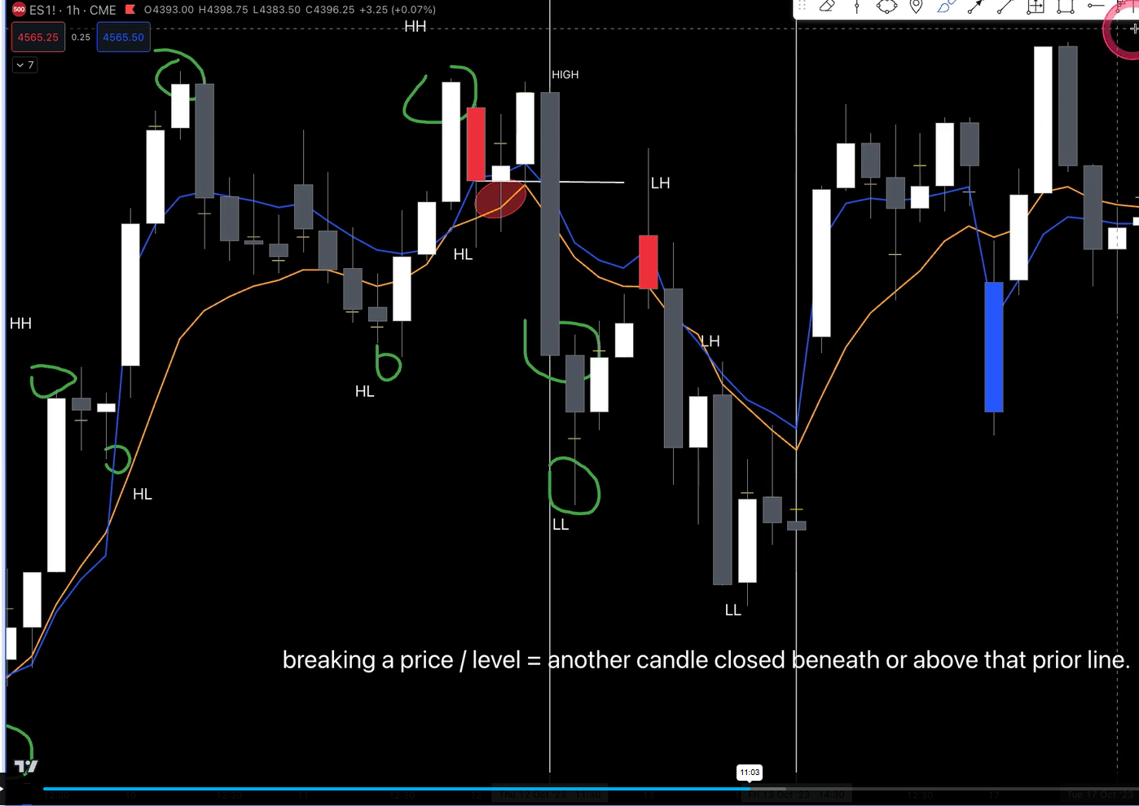
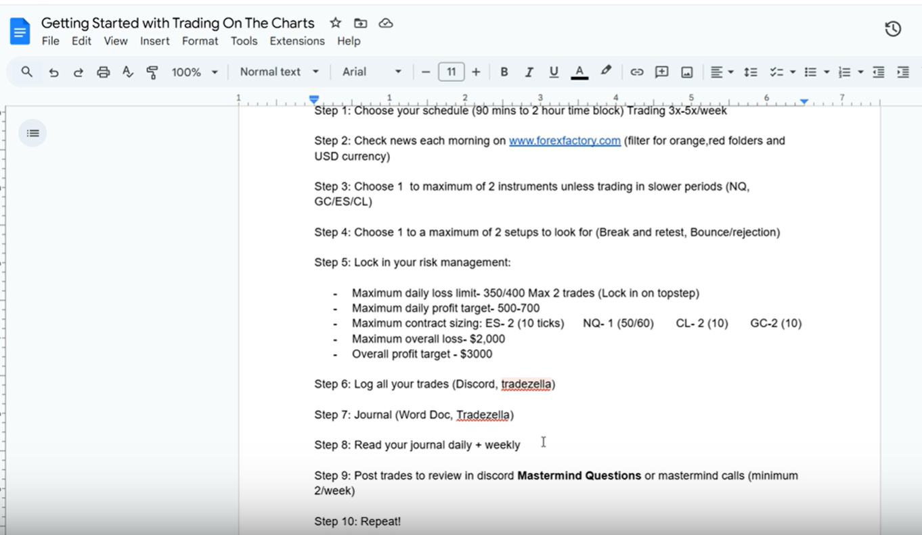
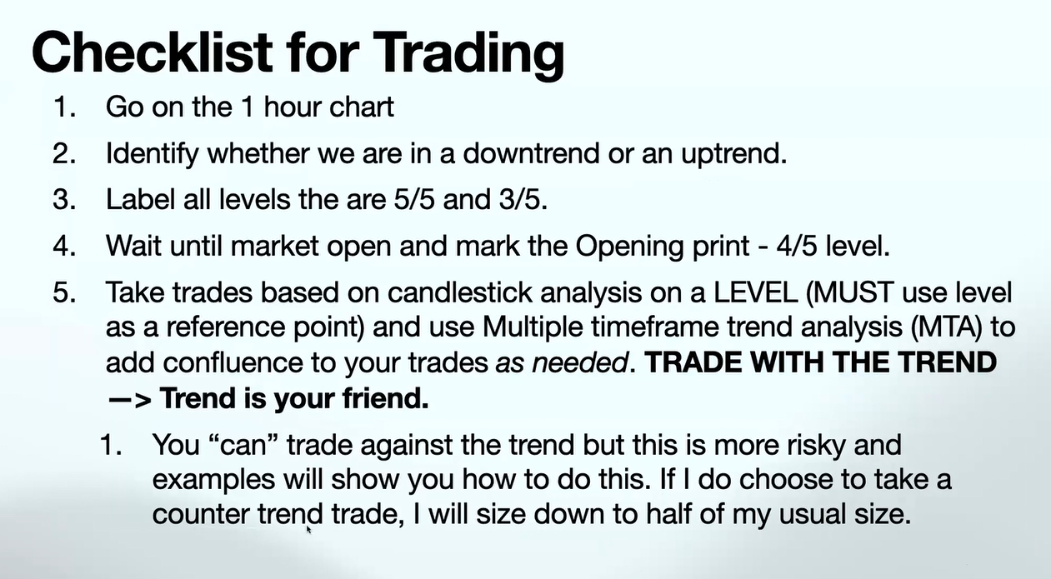
Checklist you need for Taking Trades
Higher Timeframe Confluence -> Make sure you analyze the 1 Hour Chart and understand where we are - uptrend or downtrend
Pick levels that you want to go long off / short off based on that analysis. If you are going long, label the levels and where that analysis could switch - for example, your chart shows an uptrend until a specific level is broken, in which case it could shift downwards if the hourly candle closes beneath that level. So we mark out both.
Identify a setup for the trade you will take, make sure you have confluence on the 5-minute chart and the 15-minute chart.
Set up your risk and stop loss according to the candle structure and best practices outlined.
Target 2-2.5 Risk to Reward
Aim to do 1-3 trades a day with a predefined daily stop loss and overall assumed profit target

ES/GC - 6 pips

Trading Plan
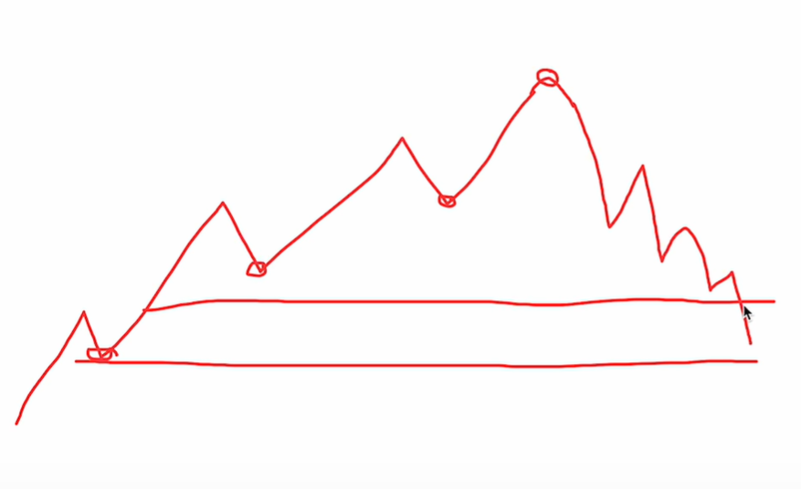
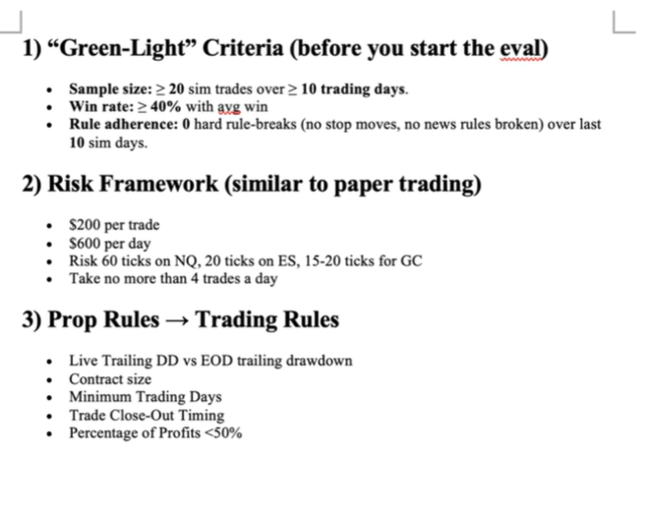
Trading Plan |  | Suggested For Beginner | Justin
Trading Days | 5 days per week | 5 days per week
Trading Time | 9:30–10:30 AM ET | 9:30–10:30 AM ET, 9-11 PM ET | MNQ - 95%, MGC 5%
Trading Instruments (max 2) | MNQ + MGC | MES + MGC
Execution Strategy | Break and Retest, Rejection, Bounce | Simple confluence only: 1) Higher-timeframe bias (15-min / 1-hour trend) + 2) Clear support/resistance or VWAP + 3) Price action confirmation (engulfing, pin bar, or break-and-retest). No complex indicators.
Max daily profit | $400 = 2 Trades x $200 | 1–1.5 × your max daily loss (or a fixed $150–$300)
Max Daily loss | $200 = 2 Trades x $100 | 1–2% of total account equity (hard stop). Example: $200–$400 on a $20k account. | $600
Number of contracts | 2 micro | Start with 1 micro contract only (MES or MGC). Increase only after 20–30 profitable days of consistent results.
SL (tick) | MNQ= 80-100(100=$100 for 2 Micro) MGC= 40-60(60=$120 for 2 Micro) MES() MYM() | Decide your daily loss first, then work backwards. • MES: $1.25 per tick • MGC: $1.00 per tick Example: $300 max daily loss ÷ 2 trades = $150 risk per trade. → MES: ~120 ticks max SL → MGC: ~150 ticks max SL (Most beginners use tighter stops: 40–80 ticks) | Asian session - avoid NQ and ES.
How you split the risk | 2 Trades | Max 2 trades per day. Split the daily loss budget 50/50 (or 60/40 if one setup is higher conviction). | 4 max trades
Max Monetary risk per trade | 100 | Daily max loss ÷ maximum number of trades you allow yourself. Example: $300 daily loss ÷ 2 trades = $150 risk per trade. | $200

10 Rules to your trades
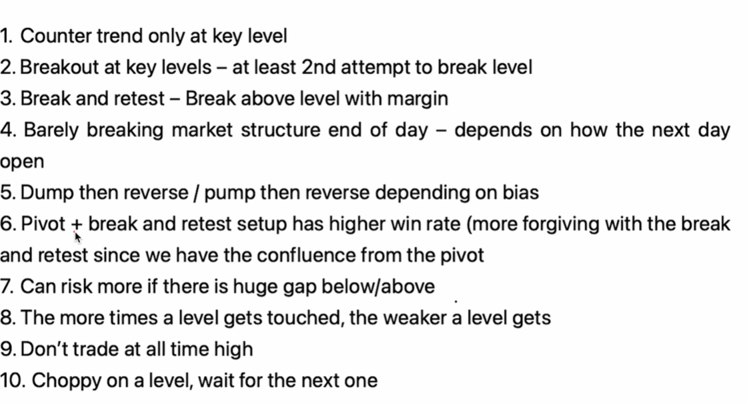

 |  |  | Lower Low or Higher High is a key Level. Level 5 is not a key level

